2
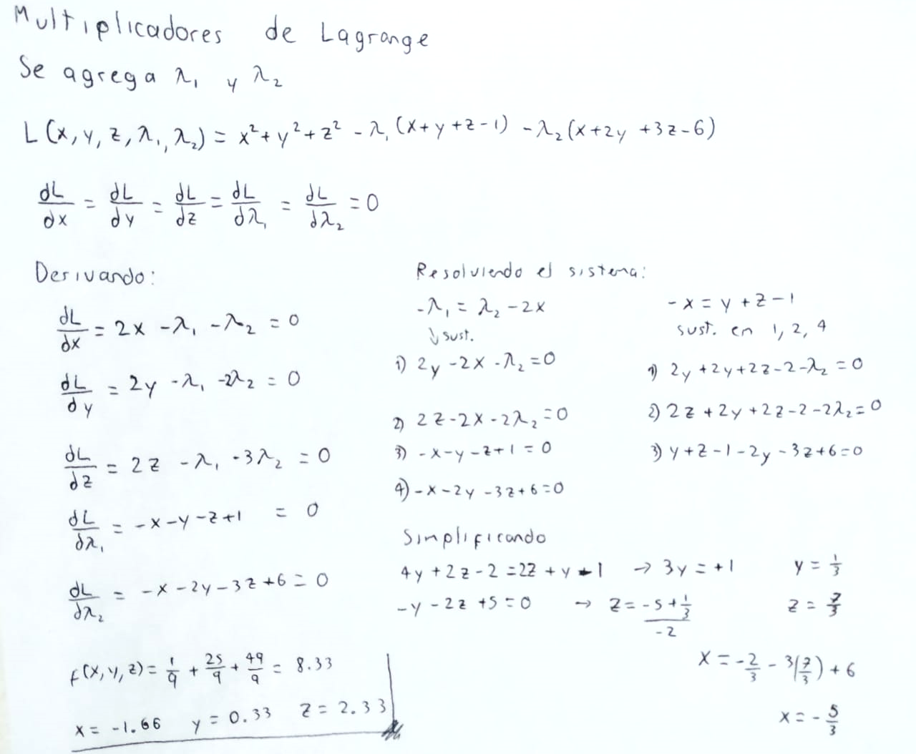
Solver
 | x | y | z | f(x, y, z)
 | -1.6666667024 | 0.33333339294 | 2.3333333095 | 8.333333381

 | s.a.
 | r1 | 1 | 1
 | r2 | 6.0000000119 | 6

3
Solver
 | X | Y | Z
 | 24.964285717 | 25.10714285 | -974.98214286

r1: | 100000 | = | 100000
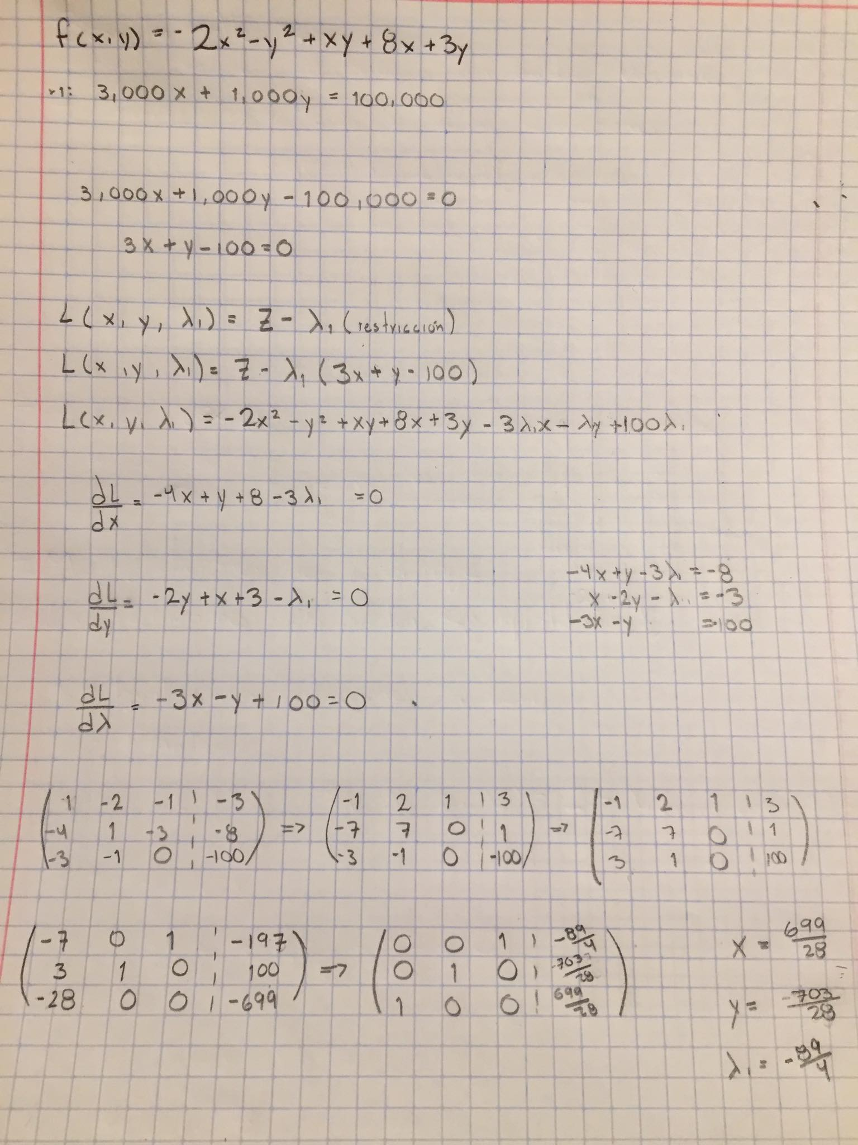

 |  | f(x, y, ʎ)= | -974.98214286

